Source Documents
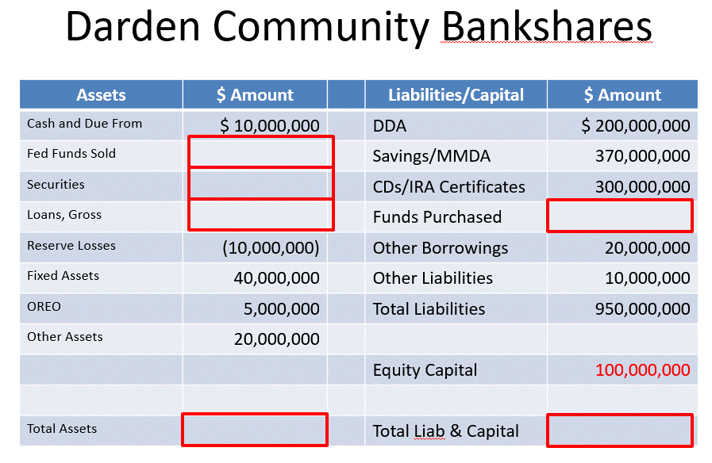
DARDEN BANKSHARES BALANCE SHEET
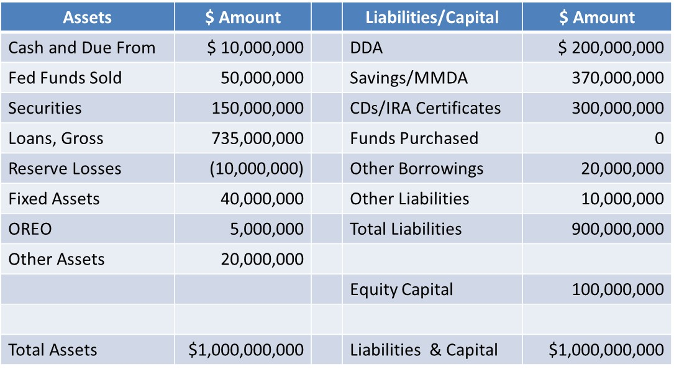

DARDEN BANKSHARES BALANCE SHEET - LOAN DETAIL
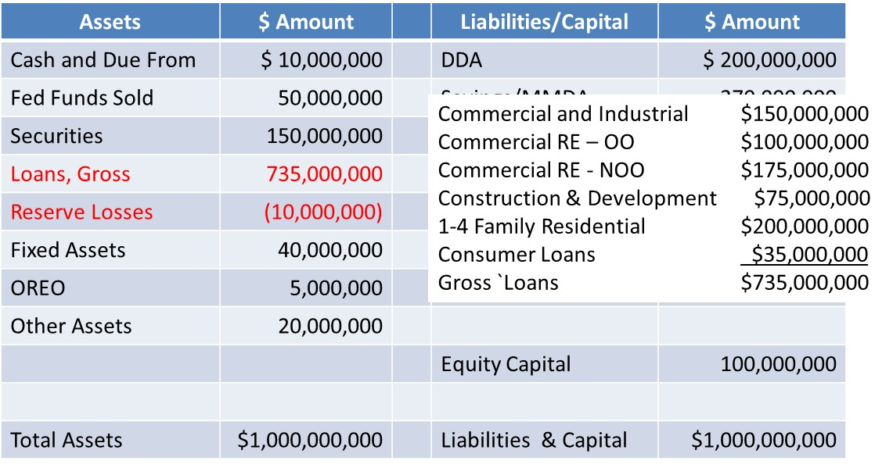

DARDEN BANKSHARES BALANCE SHEET - EARNING ASSETS
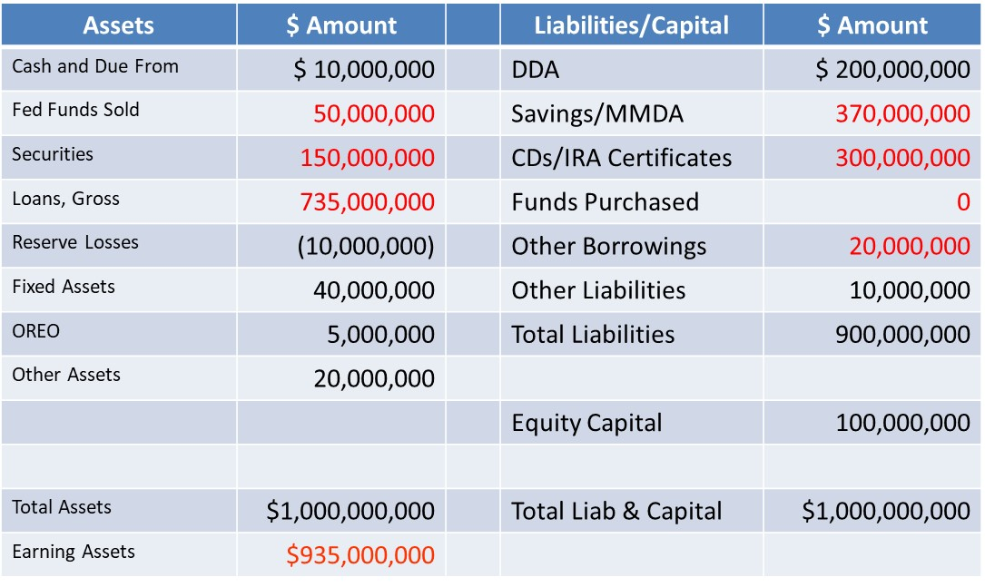

DARDEN BANKSHARES BALANCE SHEET - NET INTEREST INCOME
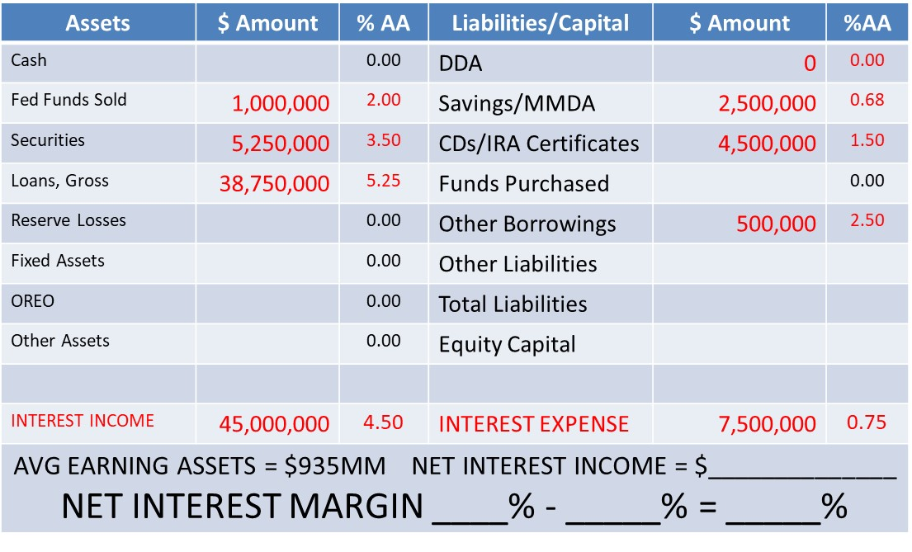

10,000,000 Shares

DARDEN BANKSHARES INCOME STATEMENT
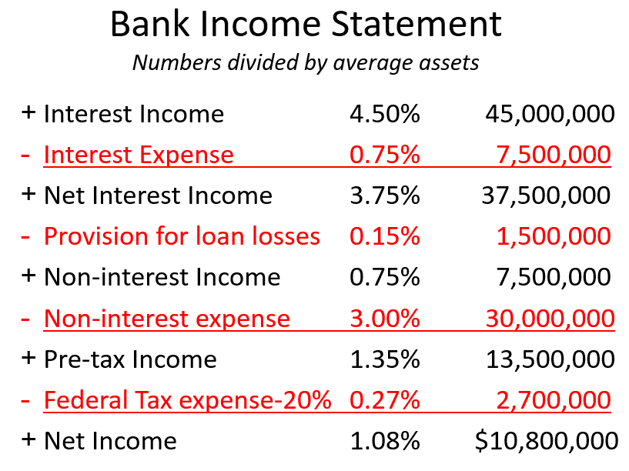

DARDEN BANKSHARES BALANCE SHEET - GROW THE BANK

